Sheet1
MY BUG REPORT EXAMPLE

Bug ID | Priority | Feature | Found In | Description | ScreenShots
BUG - 001 | High | Registration | Production | Button submits user registration with email adress but whithout password | 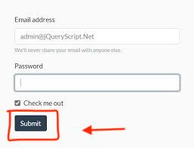
BUG - 002 | High | User Profile | Stage 2 | User cannot add any adress information in "Adress"field | 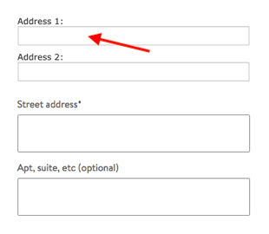
BUG - 003 | Low | Advertisment gallery | Stage 1 | When user goes to the advertisment gallery , the webpage shows not uploaded(broken) images
BUG - 004 | Medium | User Profile | Production | When user uploads a photo, image doesn’t get replaced even after the profile is refreshed | 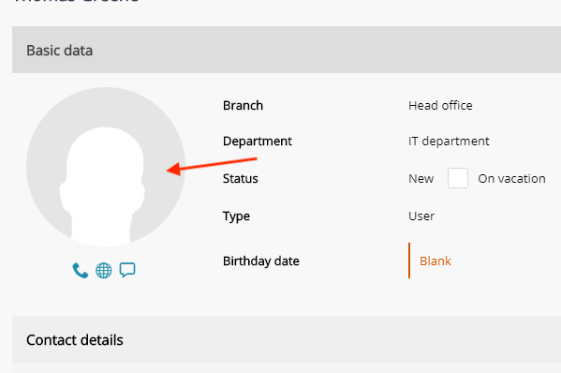
BUG - 006 | Critical + Hight Priority | Integration with Bank accont | Step 3 | No resposne from the server while user choose integration throw his/her bank account | 